RIE
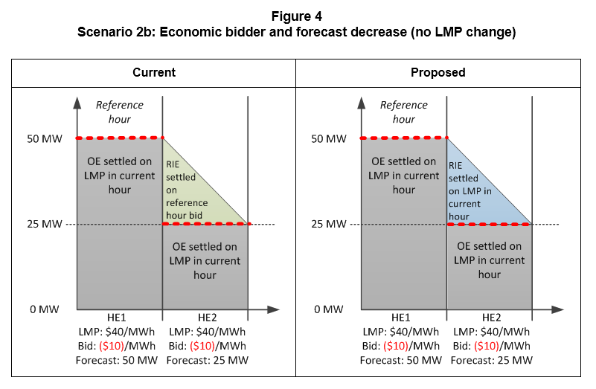
Scenario 2b: Economic bidder and forecast decrease (no LMP change)

Assumptions
 | Economically bidding VER
 | Settlement is for all of hour ending 2 (HE2)
 | No start-up cost, minimum load cost, CAISO commitment in RTM, no DAM award

Resource characteristics
 | Pmin | 0 | MW
 | Pmax | 100 | MW

Market inputs
 | RTM LMP (current hour) | $40 | /MWh
 | Bid: reference hour | ($10) | /MWh
 | Bid: current hour | ($10) | /MWh
 | Forecast | 25 | MW

 |  | Current settlement |  | Proposed settlement
Expected energy types
 | Meter | 37.5 | MWh | 37.5 | MWh
 | RIE above forecast, current | 12.5 | MWh | n/a | MWh
 | RIE above forecast, proposed | n/a | MWh | 12.5 | MWh
 | Optimal energy | 25 | MWh | 25 | MWh

BD names
 | RTM energy revenue - RIE | ($125) |  | $500

 | RTM energy bid cost - OE | ($250) |  | ($250)
 | RTM energy revenue - OE | $1,000 |  | $1,000
 | RTM net amount - OE | $1,250 |  | $1,250

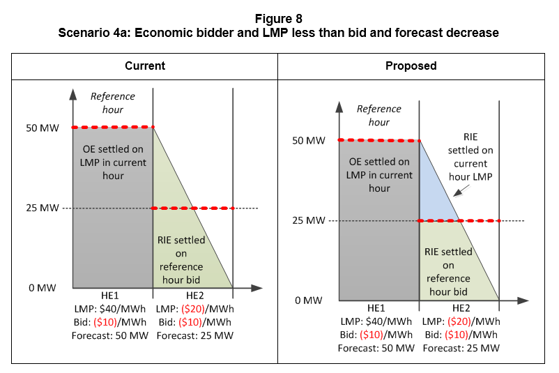
Scenario 4a: Economic bidder and LMP less than bid and forecast decrease

Assumptions
 | Economically bidding VER
 | Settlement is for all of hour ending 2 (HE2)
 | No start-up cost, minimum load cost, CAISO commitment in RTM, no DAM award

Resource characteristics
 | Pmin | 0 | MW
 | Pmax | 100 | MW

Market inputs
 | RTM LMP (current hour) | ($20) | /MWh
 | Bid: reference hour | ($10) | /MWh
 | Bid: current hour | ($10) | /MWh
 | Forecast | 25 | MW

 |  | Current settlement |  | Proposed settlement
Expected energy types
 | Meter | 25 | MWh | 25 | MWh
 | RIE above forecast, current | 6.25 | MWh | n/a | MWh
 | RIE below forecast, current | 18.75 | MWh | n/a | MWh
 | RIE above forecast, proposed | n/a | MWh | 6.25 | MWh
 | RIE below forecast, proposed | n/a | MWh | 18.75 | MWh

BD names
 | RTM energy revenue above forecast - RIE | ($63) |  | ($125)
 | RTM energy revenue below forecast - RIE | ($188) |  | ($188)
 | Total RIE | ($250) |  | ($313)

