Sheet1
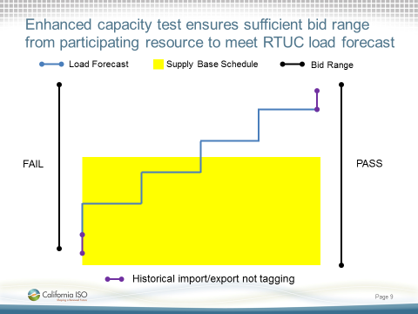
 | Hourly | FMM 1 | FMM 2 | FMM 3 | FMM 4
Hourly Load Market Operator Forecast | 450 | 450 | 450 | 450 | 450
Hourly Supply Base Schedule | 446 | 446 | 446 | 446 | 446

Supply Bid Max | 470
Supply Bid Min | 250

Balanced | No
Balance Test | Pass

Market Operator 15-Minute Load Forecast |  | 375 | 450 | 475 | 500
Import Decline Requirement | 10 | 10 | 10 | 10 | 10

Export Decline Requirement | 20 | 20 | 20 | 20 | 20

Max Up |  | 385 | 460 | 485 | 510
Max Down |  | 355 | 430 | 455 | 480

Capacity Up Test Requirement | 510
Capacity Up Available | 470 |  |  |  |  | From EIM Year 1 Enhancements Phase 1
NEW Hourly Up Capacity Test | Fail
Sufficient INC Bids in FMM |  | Yes | Yes | No | No

Capacity Down Test Requirement | 355
Capacity Down Available | 250
NEW Hourly Down Capacity Test | Pass
Sufficient DEC Bids in FMM |  | Yes | Yes | Yes | Yes

Current Capacity Test Requirement Up | 14
Current Capacity Test Up Available | 24
 | Pass

Input data into yellow cells

For illustrative purpsoses only

