RIE
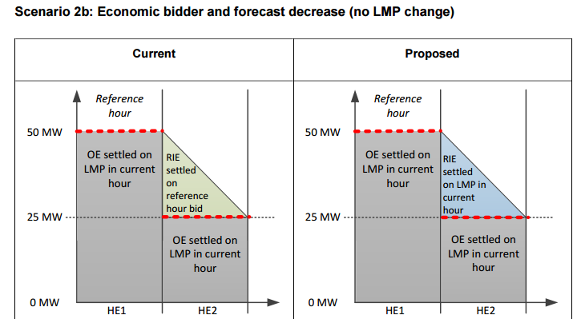
Scenario 2b: Economic bidder and forecast decrease (no LMP change)

Assumptions
 | Economically bidding VER
 | Settlement is for first interval in HE2
 | No start-up cost, minimum load cost, CAISO commitment in RTM, no DAM award

Resource characteristics
 | Pmin | 0 | MW
 | Pmax | 100 | MW

Market inputs
 | RTM LMP (current hour) | $40 | /MWh
 | Bid: reference hour | ($10) | /MWh
 | Bid: current hour | ($10) | /MWh
 | Forecast | 25 | MW

 |  | Current settlement |  | Proposed settlement
Expected energy types
 | Meter | 45 | MWh | 45 | MWh
 | RIE above forecast, current | 20 | MWh | 0 | MWh
 | RIE above forecast, proposed | 0 | MWh | 20 | MWh
 | Optimal energy | 25 | MWh | 25 | MWh

BD names
 | RTM energy revenue - RIE | $200 | CC6470 | ($800) | CC6470

 | RTM energy bid cost - OE | $250 |  | $250
 | RTM energy revenue - OE | ($1,000) |  | ($1,000)

 | Total RIE and OE Revenue | ($800) | CC6470 | ($1,800) | CC6470

 | Note - OE portion will be included in BCR Settlement.

